Instructions
Follow these tips when you need to make changes for your own personal build or future aspirations. Note, that all changes will only effect the data on the current sheet. There are no formulas referenced across the other worksheets. ENJOY!
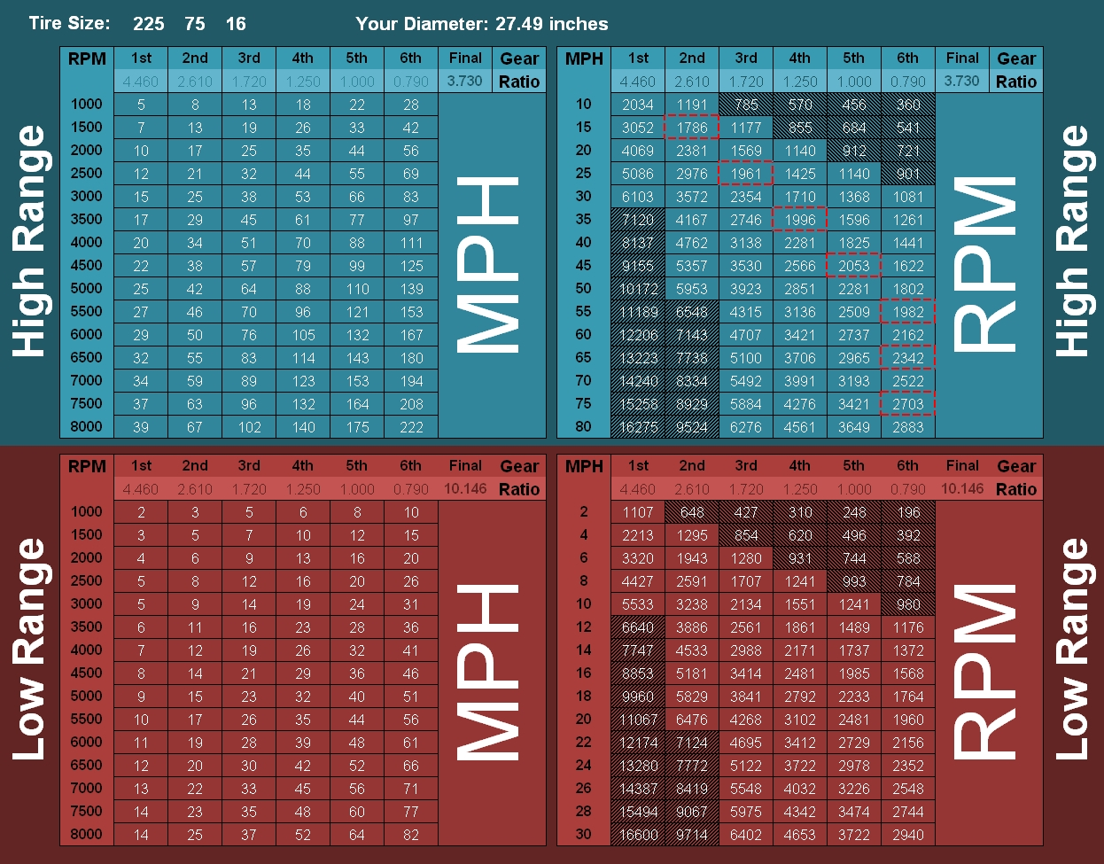

A
B

C
E

F

D

A | Diameter is the practical, real world diameter calculated from the P-Metric size input in upper left, factoring in an estimated 1.8" loss for compression of sidewall when mounted on vehicle. When using flotation tires, or for higher accuracy, simply replace the formula in the cell with your tires' actual measured size from ground to axle center in inches. This cell is referenced for all other calculations in the worksheet.
B | These ratios are reference by the other transmission ratio cells in the sheet. If you need to update the transmission ratios for any reason, you only need to update the highlighted ones and the other three will update automatically.
C | The final (differential) ratio in this cell is referenced by the other three, so if you update this one the others will update automatically.
D | Low Range Final ratio is computed by multiplying the differential ratio by the transfer case low range ratio; by default this is 2.72 for the Sport/Saharas; for Rubicons, double click the cell and replace 2.72 with 4 in the formula. This will update the RPM chart automatically as well.
E | Shaded areas on RPM charts will dynamically shift to exclude anything below 1000RPM and above 6500RPM as it is not practical to drive in those RPM ranges.
F | The typical US speed limits are highlighted by the dashed red border in the gear generally used to cruise at that speed.

